CPUC IRP
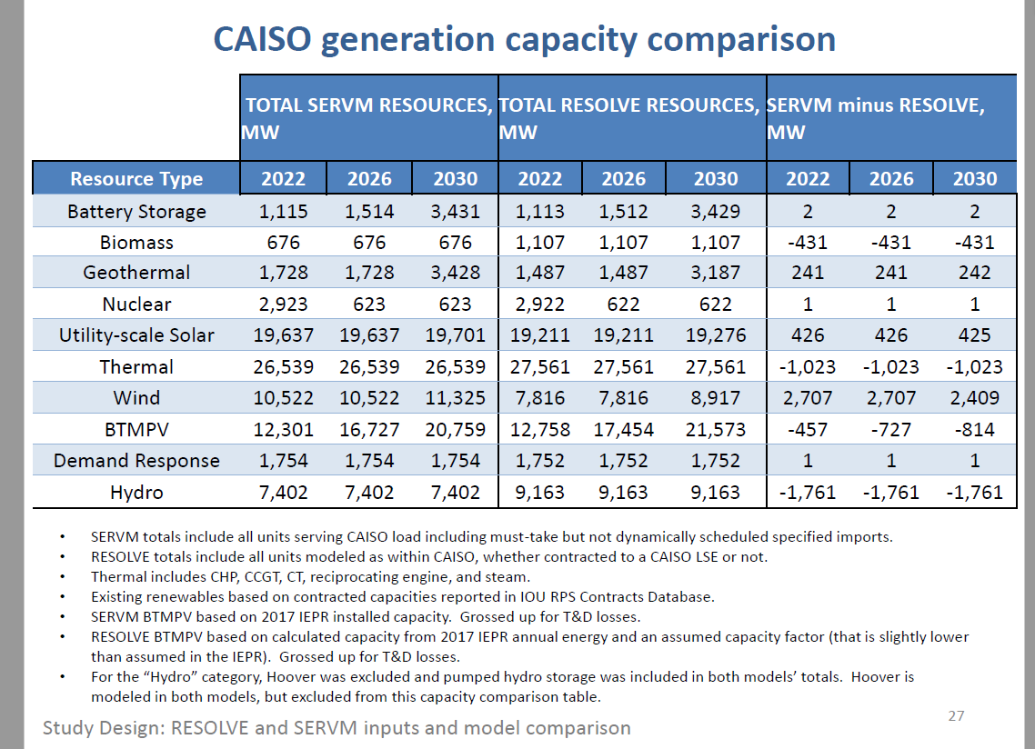

Resolve value |  | 1752
SERVM value |  | 1754
 | avg | 1753

Potential
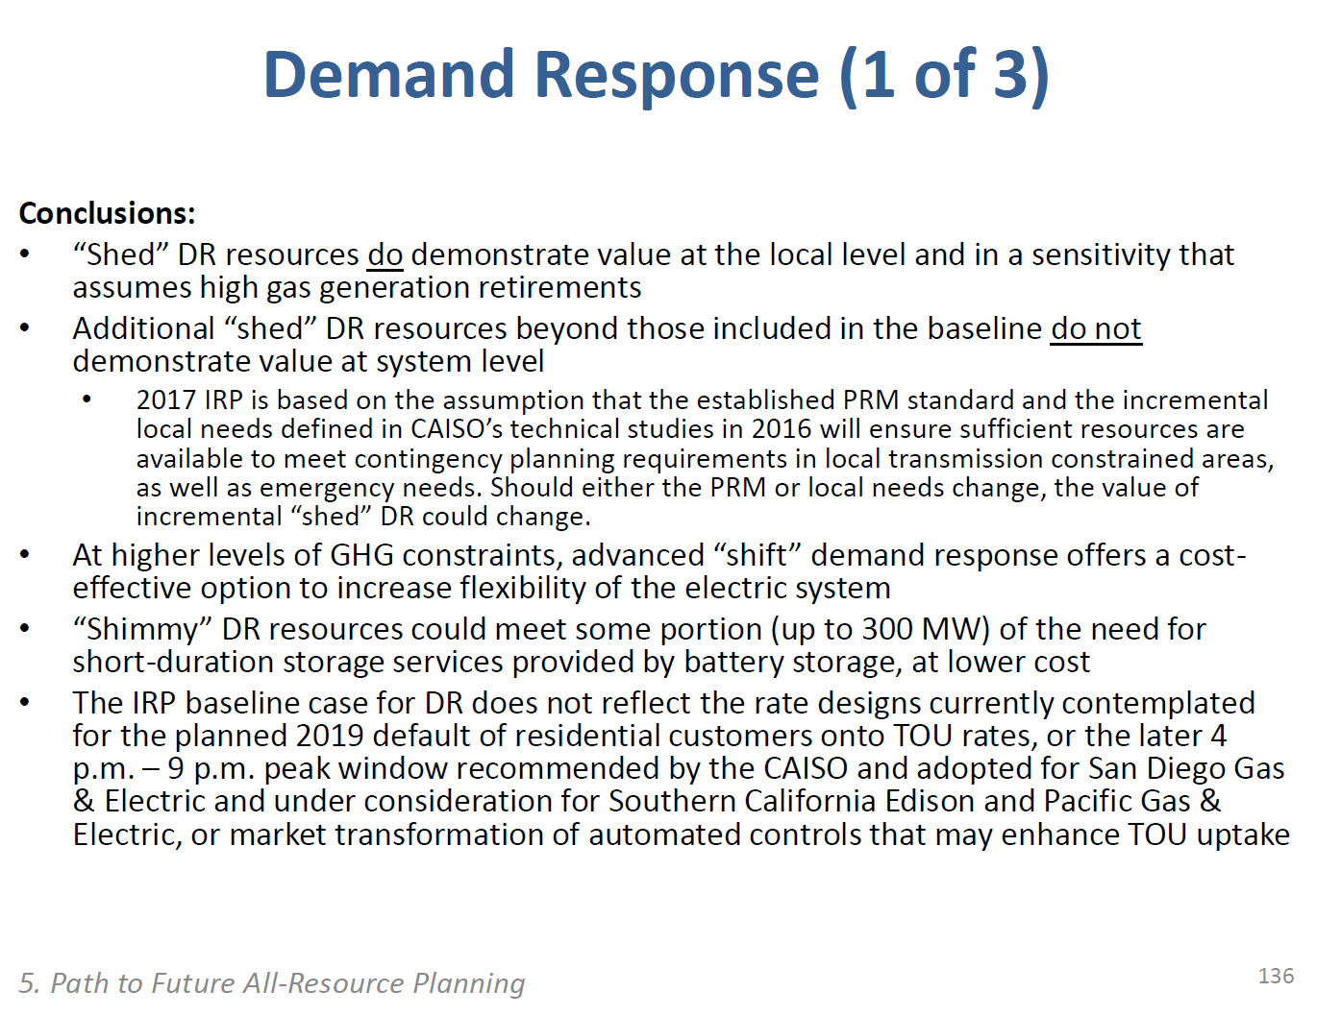
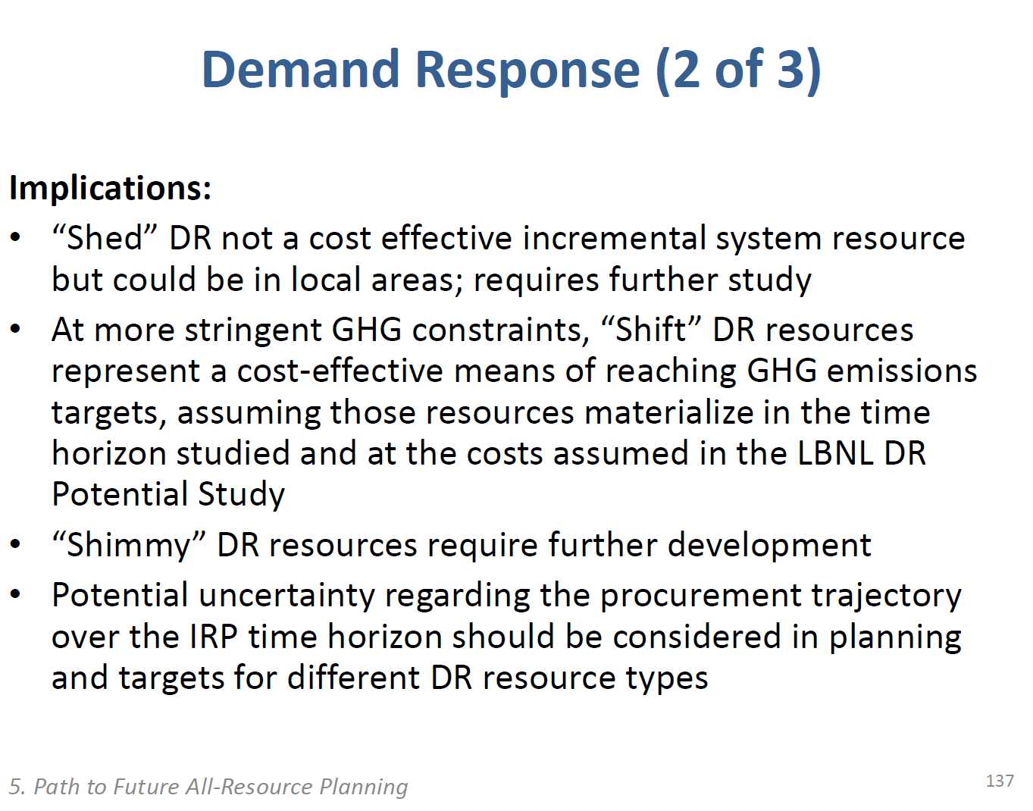
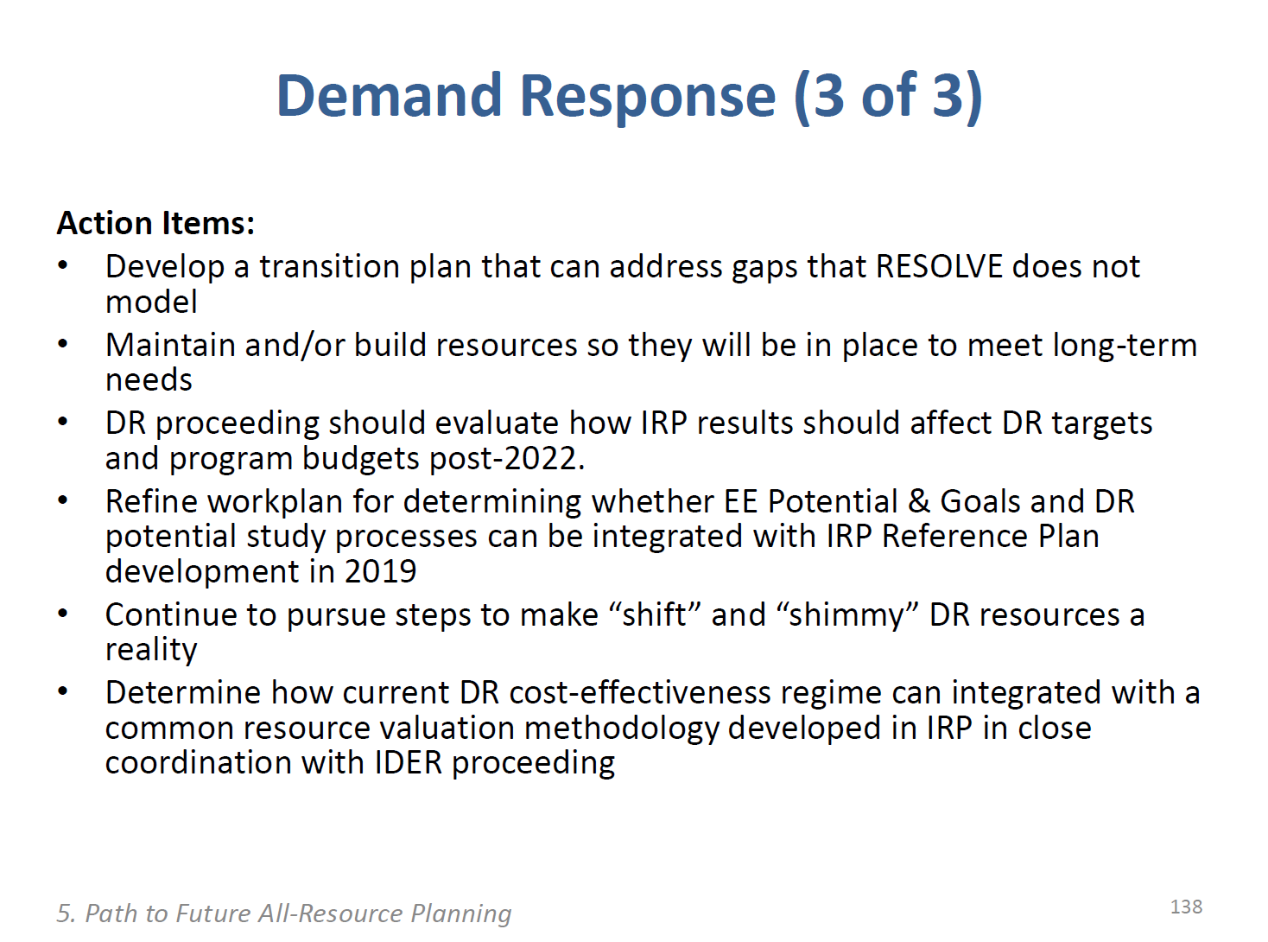
Demand response as a flexibility resource is an area of continued study for the CPUC.

At this time, the Commission only wants to rely on DRC for a fairly limited role. Our initial assumption for California EPS release follows this approach.

The CPUC's IRP proceeding has estimated the potential, as shown in the excerpts below, at | 300 | MW

